000901-1025-001
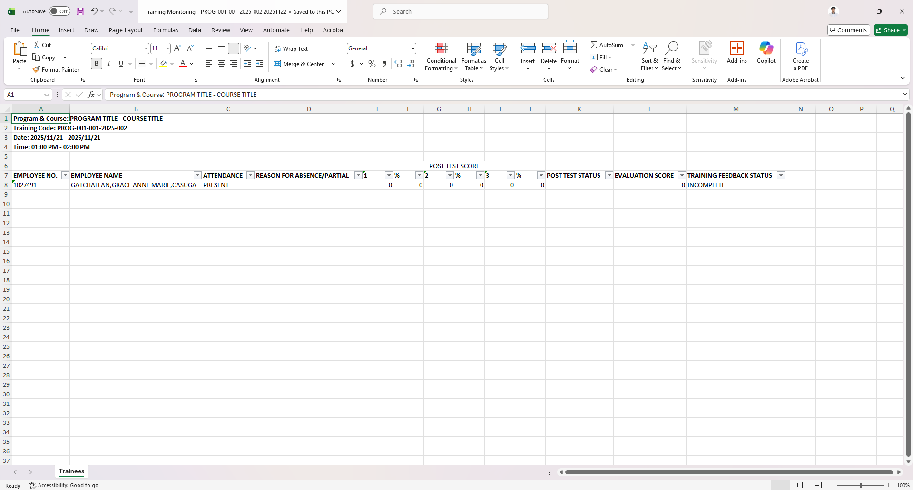
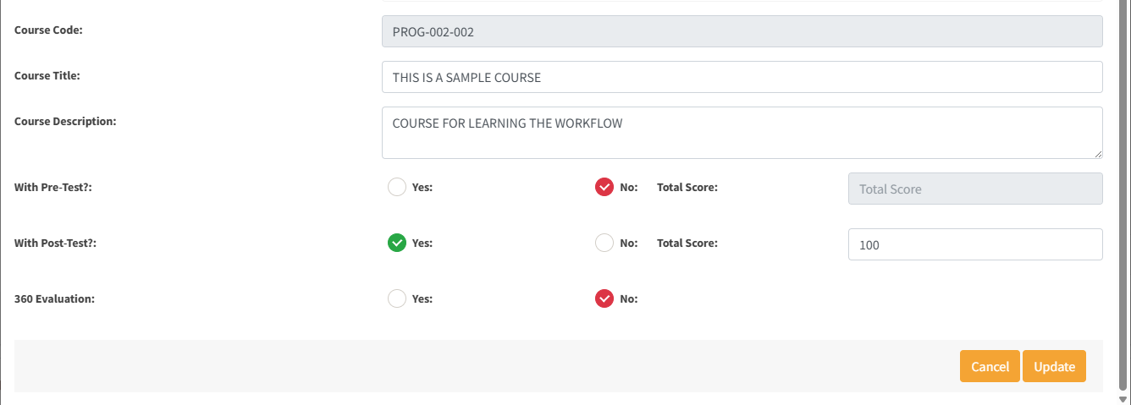
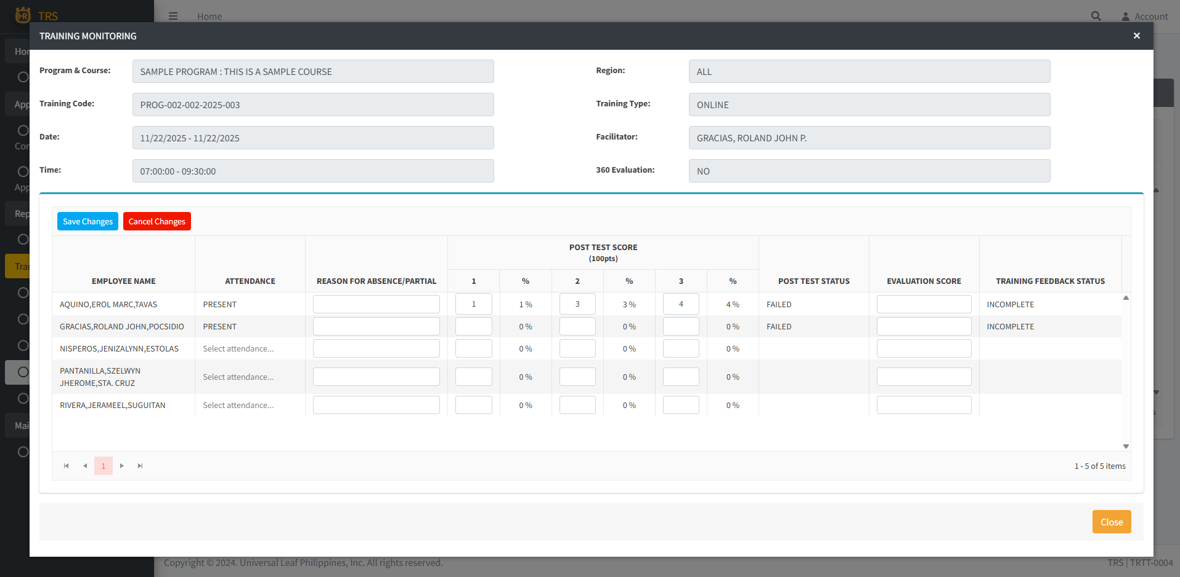
1. Add an Export to Excel button on the Action column, this export the list of attendees of the corresponding record/training. | 2. Disable the entry of Post Test Score and leave blank the Post Test Status if the course is tagged as NO in With Post Test tagging during the creation of Course.
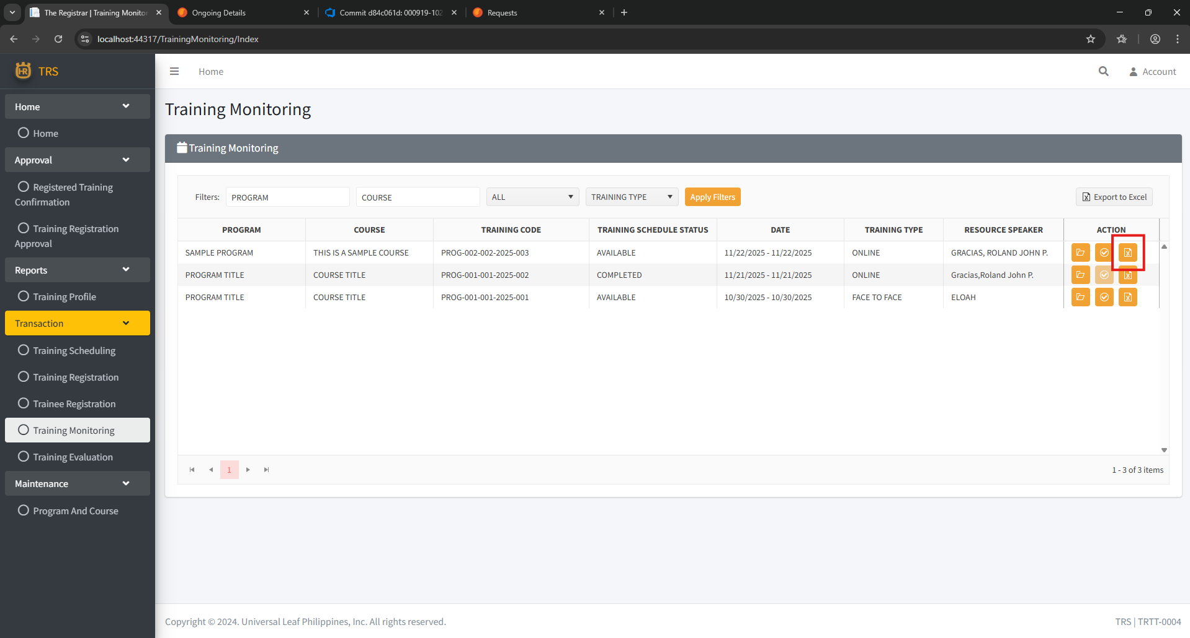
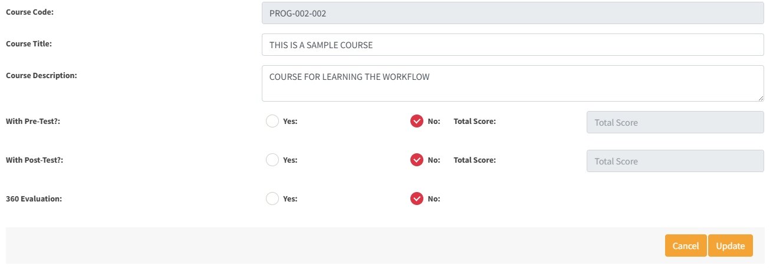

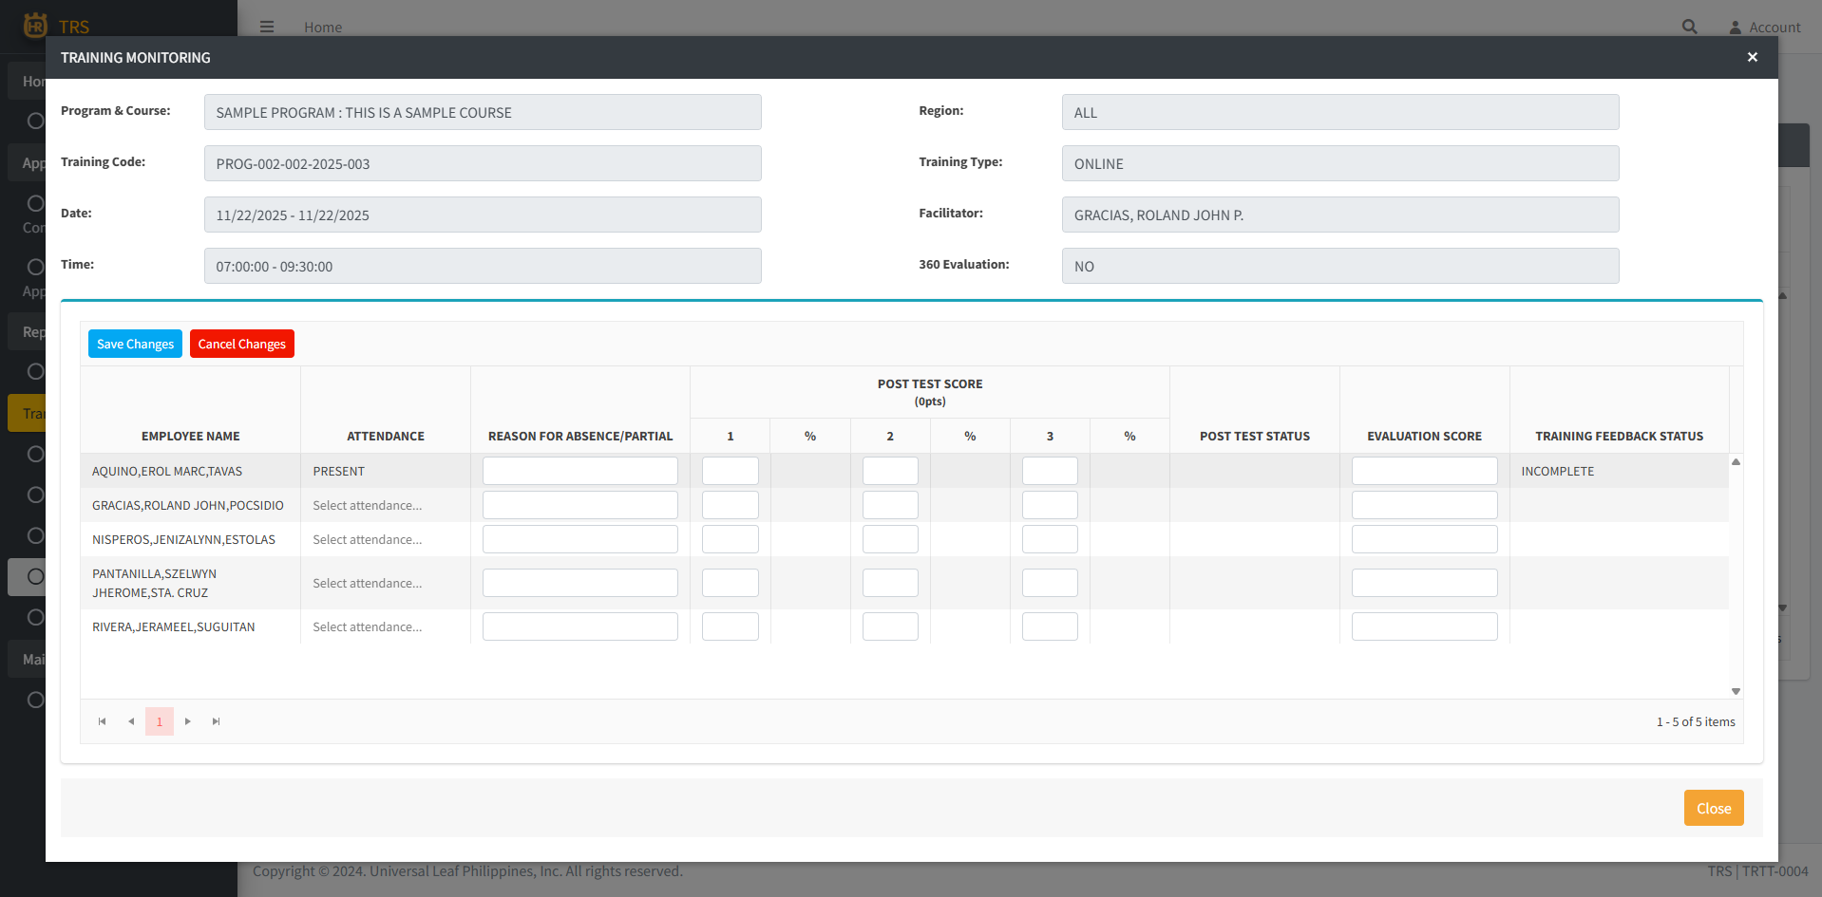

1.2 Exported excel file.

